exchange rates
Real exchange rate
1 | 001
2 | 001
3 | 001
4 | 001
5 | 001
6 | 001
7 | 001
8 | 001
9 | 001
10 | 001
11 | 001
12 | 001
13 | 001
14 | 001
15 | 001
16 | 001
17 | 001
18 | 001
19 | 001
20 | 001
Nominal exchange rate
1 | 0,001
2 | 0,001
3 | 0,001
4 | 0,001
5 | 0,001
6 | 0,001
7 | 0,001
8 | 0,001
9 | 0,001
10 | 0,001
11 | 0,001
12 | 0,001
13 | 0,001
14 | 0,001
15 | 0,001
16 | 0,001
17 | 0,001
18 | 0,001
19 | 0,001
20 | 0,001

Your input data in "main page"
Main page-Flexible exchange rate

Trade balance/GDP
 | trade balance/GDP
1 | 00%
2 | 00%
3 | 00%
4 | 00%
5 | 00%
6 | 00%
7 | 00%
8 | 00%
9 | 00%
10 | 00%
11 | 00%
12 | 00%
13 | 00%
14 | 00%
15 | 00%
16 | 00%
17 | 00%
18 | 00%
19 | 00%
Current account/GDP
 | current account/GDP
1 | 00%
2 | 00%
3 | 00%
4 | 00%
5 | 00%
6 | 00%
7 | 00%
8 | 00%
9 | 00%
10 | 00%
11 | 00%
12 | 00%
13 | 00%
14 | 00%
15 | 00%
16 | 00%
17 | 00%
18 | 00%
19 | 00%
Supply shock in t=5 | no
Demand shock in t=5 | no
Random supply shocks everytime | no
Random demand shocks everytime | no
Change in inflation target in t=10 | no
Stabilization fiscal measure | no

 | NIIP/GDP
1 | 00%
2 | 00%
3 | 00%
4 | 00%
5 | 00%
6 | 00%
7 | 00%
8 | 00%
9 | 00%
10 | 00%
11 | 00%
12 | 00%
13 | 00%
14 | 00%
15 | 00%
16 | 00%
17 | 00%
18 | 00%
19 | 00%

gráficos PC, MR, IS
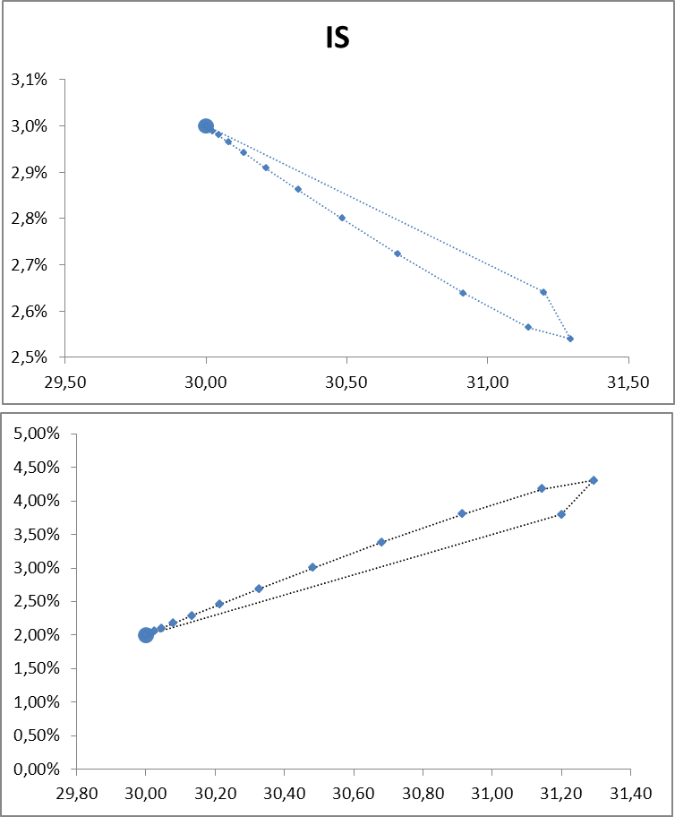
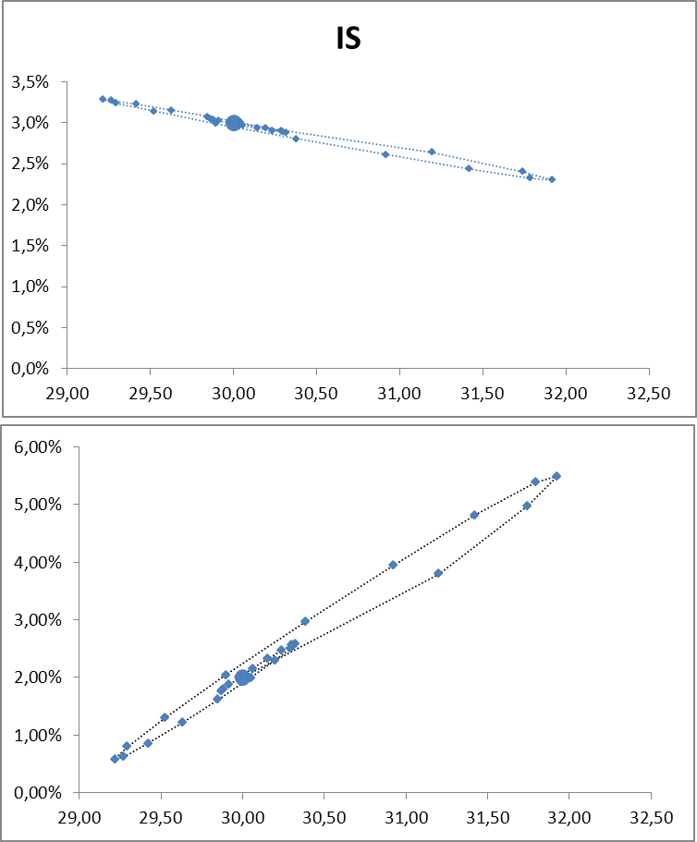
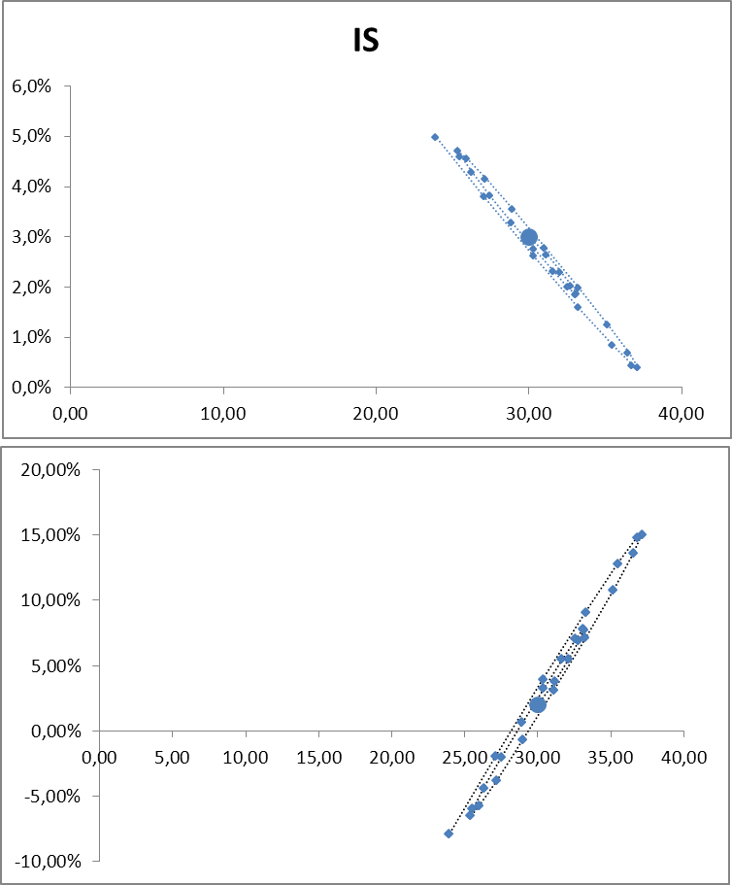

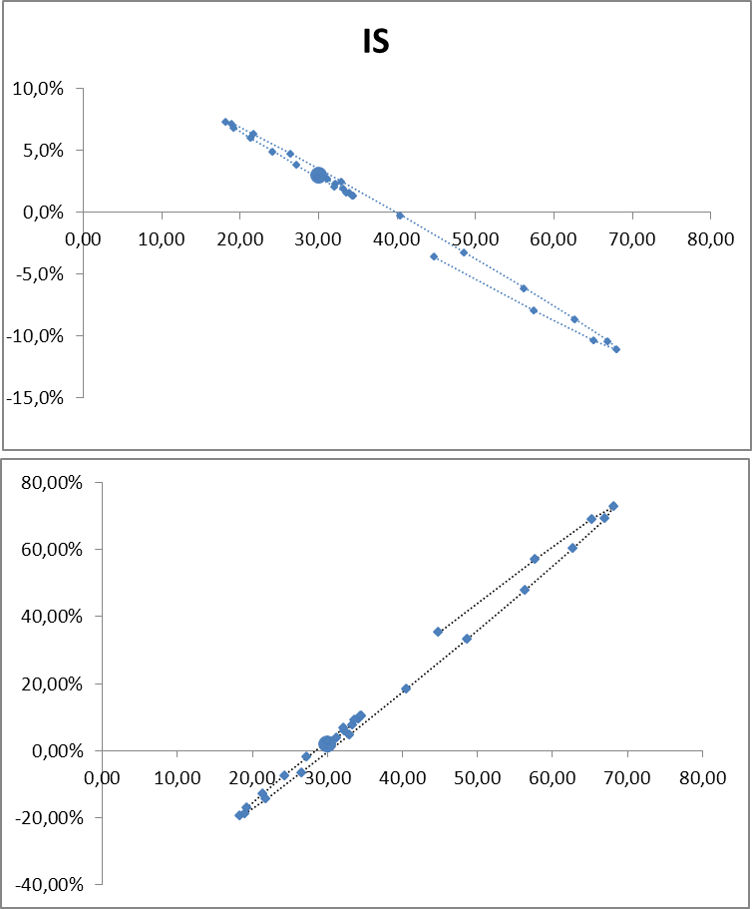
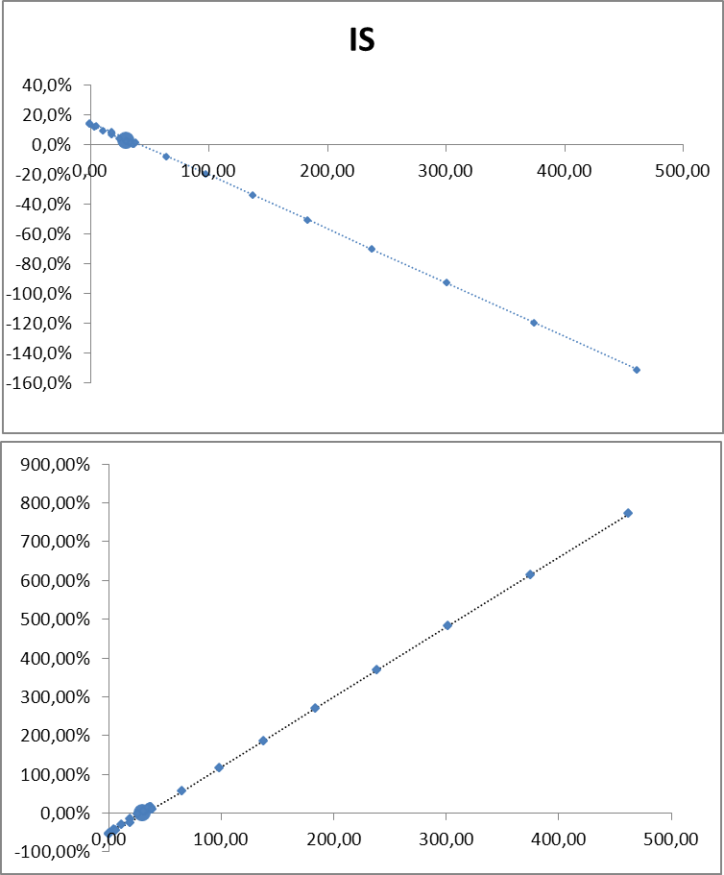

 | IS
100 | 03%
100 | 03%
100 | 03%
100 | 03%
100 | 03%
100 | 03%
100 | 03%
100 | 03%
100 | 03%
100 | 03%
100 | 03%
100 | 03%
100 | 03%
100 | 03%
100 | 03%
100 | 03%
100 | 03%
100 | 03%
100 | 03%
100 | 03%
100 | 03%
100 | 03%
100 | 03%
100 | 03%
100 | 03%
100 | 03%
100 | 03%
100 | 03%

100 | 002%
100 | 002%
100 | 002%
100 | 002%
100 | 002%
100 | 002%
100 | 002%
100 | 002%
100 | 002%
100 | 002%
100 | 002%
100 | 002%
100 | 002%
100 | 002%
100 | 002%
100 | 002%
100 | 002%
100 | 002%
100 | 002%
100 | 002%
100 | 002%
100 | 002%
100 | 002%
100 | 002%
100 | 002%
100 | 002%
100 | 002%
100 | 002%

inflation, income and interest
Inflation (%)
 |  | HISTÉRESIS | RETRASO PERCEPCIÓN | randomshocks
1 | 02
2 | 02
3 | 02
4 | 02
5 | 02
6 | 02
7 | 02
8 | 02
9 | 02
10 | 02
11 | 02
12 | 02
13 | 02
14 | 02
15 | 02
16 | 02
17 | 02
18 | 02
19 | 02
20 | 02
Lending interest rates (%)
 | real | nominal | randomshocksnominal | real hysteresis | nominal hysteresis | randomshocksreal | real no perception | nominal no perception
1 | 003 | 00,005
2 | 003 | 00,005
3 | 003 | 00,005
4 | 003 | 00,005
5 | 003 | 00,005
6 | 003 | 00,005
7 | 003 | 00,005
8 | 003 | 00,005
9 | 003 | 00,005
10 | 003 | 00,005
11 | 003 | 00,005
12 | 003 | 00,005
13 | 003 | 00,005
14 | 003 | 00,005
15 | 003 | 00,005
16 | 003 | 00,005
17 | 003 | 00,005
18 | 003 | 00,005
19 | 003 | 00,005
20 | 003 | 00,005

Your input data in "main page"
Main page-Flexible exchange rate

Supply shock in t=5 | no
Demand shock in t=5 | no
Random shocks every three periods | no
Change in inflation target in t=10 | no
Stabilization fiscal measure | no

GDP
 |  | randomshocksgdp | randomshocksgdp | HISTÉRESIS | RETRASO PERCEPCIÓN
1 | 100
2 | 100
3 | 100
4 | 100
5 | 100
6 | 100
7 | 100
8 | 100
9 | 100
10 | 100
11 | 100
12 | 100
13 | 100
14 | 100
15 | 100
16 | 100
17 | 100
18 | 100
19 | 100
20 | 100
Economic growth
 |  | randomshocksgrowth | HISTÉRESIS | RETRASO PERCEPCIÓN
1
2 | 000%
3 | 000%
4 | 000%
5 | 000%
6 | 000%
7 | 000%
8 | 000%
9 | 000%
10 | 000%
11 | 000%
12 | 000%
13 | 000%
14 | 000%
15 | 000%
16 | 000%
17 | 000%
18 | 000%
19 | 000%
20 | 000%

 |  | 1

 |  |  | FALSE
 |  |  | FALSE

 |  |  |  | 1

figures on public finance
Primary budget/GDP
1 | 00%
2 | 00%
3 | 00%
4 | 00%
5 | 00%
6 | 00%
7 | 00%
8 | 00%
9 | 00%
10 | 00%
11 | 00%
12 | 00%
13 | 00%
14 | 00%
15 | 00%
16 | 00%
17 | 00%
18 | 00%
19 | 00%
Total budget/GDP
1 | 00%
2 | 00%
3 | 00%
4 | 00%
5 | 00%
6 | 00%
7 | 00%
8 | 00%
9 | 00%
10 | 00%
11 | 00%
12 | 00%
13 | 00%
14 | 00%
15 | 00%
16 | 00%
17 | 00%
18 | 00%
19 | 00%

Your input data in "main page"
Main page-Flexible exchange rate

Supply shock in t=5 | no
Demand shock in t=5 | no
Random shocks every three periods | no
Change in inflation target in t=10 | no
Public Debt/GDP
1 | 00%
2 | 00%
3 | 00%
4 | 00%
5 | 00%
6 | 00%
7 | 00%
8 | 00%
9 | 00%
Stabilization fiscal measure | no
Tax rate (initial tax revenues/GDP) | 20.0%
Initial public expenditures/GDP | 20.0%
Initial public debt/GDP | 0.0%

 |  | 1

input own m.p.
 |  | Controls |  |  |  |  |  |  | Game level

1 | 50
2
3
4
5
6
7
8
9
10
11
12
13
14
15
16
17
18
19
20
Game's page
 | Parameters
 | Sensitivity of inflation wrt output gap |  |  |  |  | 1
 |  |  |  |  |  |  |  |  |  | Stabilizing real interest rate
 | Sensitivity of expenditure wrt interest rate |  |  |  |  | 0.75 |  |  |  | 100.0%

 | Degree of inflation inertia/credibility of central bank |  |  |  |  | 1

 | Inflation target |  |  |  |  | 2 | %

 | Real stabilization interest rate in t-1 |  |  |  |  | 2
 | real | nominal
1 | 00
2
3
4
5
6
7
8
9
10
11
12
13
14
15
16
17
18
19
20
 | Medium level
 | Time | Nominal interest rate (%) | Real interest rate (%) | Inflation (%) | GDP | Stabilizing real interest rate

 | 1 |  |  | 2.00 | 50.00

1 | 02
2
3
4
5
6
7
8
9
10
11
12
13
14
15
16
17
18
19
20

 |  |  |  |  |  |  |  | 1

 |  |  |  |  |  |  |  |  | 0
 |  |  |  |  |  |  |  |  | 0

1
2
3
4
5
6
7
8
9
10
11
12
13
14
15
16
17
18
19
20

loss level and beta es(outputs)
 | Estimate how you weight inflation and output gap |  |  |  | Compare your policy choice with a central bank that follows the monetary rule
Evaluation page
 |  | Estimated β |  | -0.4673 |  | Society | Central Bank
 |  |  |  |  | Choose beta for | 1.00 | 1.00
 |  | Goodness of fit |  | 0.116191
 |  |  |  |  |  | Your policy | C.B. policy
 |  |  |  |  | Output deviations | 0.00 | 0.00
 |  | Your estimated beta is negative! Either you may have missed the sign of monetary policy or you may have overreacted. |  |  | Inflation deviations | 0.00 | 0
 |  |  |  |  | Society's loss | 0 | 0

Inflation gap, output gap and estimated MR (excludes shock periods)
000 | 0
-004 | -0.75
002 | 1.6875
001 | 2.203125
-002 | 1.274140625
-001 | -0.0202539063
-001 | -0.7854443359
000 | -0.6245275879
000 | -0.3429232788
000 | 1.2622974586
-001 | 0.7090205526
000 | 1.0895107507
-001 | 0.4066438138
-002 | -1.0046533203

 |  | 0.00 | 7 | 16.00
 |  | 0

 | Points in the NE or SW quadrants imply either that you have missed the sign of monetary policy (for instance, you have produced a positive output gap when there was excess inflation) or you have overreacted (for instance, you have made inflation to fall below the target due to a too large negativ gap caused by increasing the interest rate too much). This could even produce a negative estimated beta (a MR with positive slope).

compare results
Inflation
1
2
3
4
5
6
7
8
9
10
11
12
13
14
15
16
17
18
19
20
Interest rates (dashed is real)
1
2
3
4
5
6
7
8
9
10
11
12
13
14
15
16
17
18
19
20
time | GDP | GDP growth | inflation | nom. i.r. | real i.r. | primary b./GDP | total b./GDP | public debt/GDP | Public exp./GDP | Tax rev-/GDP | Real exchange rate | Nom. exchange rate | Trade balance/GDP | Current acc./GDP | NIIP/GDP | GDP | GDP growth | inflation | nom. i.r. | real i.r. | primary b./GDP | total b./GDP | public debt/GDP | Public exp./GDP | Tax rev-/GDP | Real exchange rate | Nom. exchange rate | Trade balance/GDP | Current acc./GDP | NIIP/GDP | GDP | GDP growth | inflation | nom. i.r. | real i.r. | primary b./GDP | total b./GDP | public debt/GDP | Public exp./GDP | Tax rev-/GDP | Real exchange rate | Nom. exchange rate | Trade balance/GDP | Current acc./GDP | NIIP/GDP | GDP | GDP growth | inflation | nom. i.r. | real i.r. | primary b./GDP | total b./GDP | public debt/GDP | Public exp./GDP | Tax rev-/GDP | Real exchange rate | Nom. exchange rate | Trade balance/GDP | Current acc./GDP | NIIP/GDP
1
2
3
4
5
6
7
8
9
10
11
12
Data
13
14
15
16
17
Public finance figures
GDP
1
2
3
4
5
6
7
8
9
10
11
12
13
14
15
16
17
18
19
20
GDP growth
1
2
3
4
5
6
7
8
9
10
11
12
13
14
15
16
17
18
19
20
18
19
20
Figures
Figures
Figures
Figures

Open economy figures
Second scenario
Third scenario
Fourth scenario

First scenario
Second scenario
Third scenario

Primary budget/GDP
1
2
3
4
5
6
7
8
9
10
11
12
13
14
15
16
17
18
19
20
Total budget/GDP
1
2
3
4
5
6
7
8
9
10
11
12
13
14
15
16
17
18
19
20

Top

Public debt/GDP
1
2
3
4
5
6
7
8
9
10
11
12
13
14
15
16
17
18
19
20

Real exchange rate
1
2
3
4
5
6
7
8
9
10
11
12
13
14
15
16
17
18
19
20
Nominal exchange rate
1
2
3
4
5
6
7
8
9
10
11
12
13
14
15
16
17
18
19
20

Trade balance/GDP
1
2
3
4
5
6
7
8
9
10
11
12
13
14
15
16
17
18
19
20
Current account/GDP
1
2
3
4
5
6
7
8
9
10
11
12
13
14
15
16
17
18
19
20

Top

NIIP/GDP
1
2
3
4
5
6
7
8
9
10
11
12
13
14
15
16
17
18
19
20

